Sales
2022-07-01 | 7/1/2022 | 7/2/2022 | 7/3/2022 | 7/4/2022 | 7/5/2022 | 7/6/2022 | 7/7/2022 | 7/8/2022 | 7/9/2022 | 7/10/2022 | 7/11/2022 | 7/12/2022 | 7/13/2022 | 7/14/2022 | 7/15/2022 | 7/16/2022 | 7/17/2022 | 7/18/2022 | 7/19/2022 | 7/20/2022 | 7/21/2022 | 7/22/2022 | 7/23/2022 | 7/24/2022 | 7/25/2022 | 7/26/2022 | 7/27/2022 | 7/28/2022 | 7/29/2022 | 7/30/2022 | 7/31/2022
 | FRI | SAT | SUN | MON | TUE | WED | THU | FRI | SAT | SUN | MON | TUE | WED | THU | FRI | SAT | SUN | MON | TUE | WED | THU | FRI | SAT | SUN | MON | TUE | WED | THU | FRI | SAT | SUN
Weekend Work |  |  |  |  |  |  |  |  |  |  |  |  |  |  |  | Beno | Beno |  |  |  |  |  | Peter | Peter |  |  |  |  |  | Beno | Beno
Notes
 |  |  |  |  |  |  |  |  |  |  |  |  | Testing Water Fountain (Phase #1) |  |  |  |  |  |  |  |  |  |  |  |  |  |  | Testing Water Fountain (Phase #2)
 |  |  |  |  |  |  |  |  |  |  | Started advertising |  | Advanced Bundle OFF | Normal Offer tag live |  |  |  |  |  |  |  | Updated SKU and UPC on Water Fountain |  |  |  |  | Confirmation emails are sent from klaviyo | Started TikTok advertising

Shopify | $2,328.00 | $4,297.80 | $1,395.87 | $3,901.23 | $3,198.08 | $4,056.09 | $2,378.97 | $1,611.78 | $1,984.78 | $1,396.33 | $2,597.24 | $2,138.87 | $5,196.96 | $2,846.10 | $5,063.57 | $8,899.44 | $2,999.19 | $6,743.70 | $4,581.14 | $4,414.40 | $4,675.40 | $5,344.31 | $7,808.54 | $6,270.12 | $4,699.19 | $2,573.27 | $3,555.27 | $5,066.71 | $5,662.30 | $8,238.83 | $8,806.18
Total Revenue | $2,328.00 | $4,297.80 | $1,395.87 | $3,901.23 | $3,198.08 | $4,056.09 | $2,378.97 | $1,611.78 | $1,984.78 | $1,396.33 | $2,597.24 | $2,138.87 | $5,196.96 | $2,846.10 | $5,063.57 | $8,899.44 | $2,999.19 | $6,743.70 | $4,581.14 | $4,414.40 | $4,675.40 | $5,344.31 | $7,808.54 | $6,270.12 | $4,699.19 | $2,573.27 | $3,555.27 | $5,066.71 | $5,662.30 | $8,238.83 | $8,806.18
Orders | 8 | 15 | 5 | 12 | 11 | 15 | 8 | 5 | 7 | 5 | 8 | 7 | 15 | 9 | 17 | 28 | 10 | 24 | 18 | 16 | 15 | 17 | 25 | 22 | 16 | 8 | 11 | 16 | 19 | 26 | 29

FB - US & CA | $0.00 | $0.00 | $0.00 | $0.00 | $0.00 | $0.00 | $0.00 | $0.00 | $0.00 | $0.00 | $336.95 | $672.40 | $829.38 | $1,143.37 | $1,095.61 | $1,385.51 | $1,681.84 | $1,630.01 | $1,721.55 | $1,862.41 | $1,560.61 | $1,368.09 | $1,784.63 | $2,386.57 | $2,118.30 | $1,373.73 | $1,299.39 | $1,351.42 | $2,428.64 | $3,857.49 | $5,321.45
Google - WW | $197.00 | $205.00 | $200.00 | $144.00 | $90.84 | $75.55 | $65.04 | $49.73 | $64.42 | $48.05 | $61.63 | $158.00 | $258.00 | $147.00 | $225.50 | $437.53 | $186.00 | $211.00 | $185.00 | $137.00 | $164.00 | $164.52 | $177.10 | $180.58 | $140.93 | $128.17 | $176.76 | $182.53 | $167.12 | $127.00 | $207.00
Bing - WW | $0.00 | $0.00 | $0.00 | $0.00 | $0.00 | $0.00 | $0.00 | $0.00 | $0.00 | $0.00 | $4.38 | $2.57 | $8.63 | $4.57 | $11.60 | $26.98 | $10.21 | $7.02 | $7.83 | $7.96 | $3.77 | $2.30 | $7.07 | $6.78 | $8.30 | $1.65 | $9.42 | $6.60 | $3.93 | $8.97 | $9.95
TikTok - US & CA | $0.00 | $0.00 | $0.00 | $0.00 | $0.00 | $0.00 | $0.00 | $0.00 | $0.00 | $0.00 | $0.00 | $0.00 | $0.00 | $0.00 | $0.00 | $0.00 | $0.00 | $0.00 | $0.00 | $0.00 | $0.00 | $0.00 | $0.00 | $0.00 | $0.00 | $0.00 | $0.00 | $104.08 | $198.46 | $0.00 | $0.00
Affiliate Fees - US | $0.00 | $0.00 | $0.00 | $0.00 | $0.00 | $0.00 | $0.00 | $0.00 | $0.00 | $0.00 | $0.00 | $0.00 | $0.00 | $0.00 | $0.00 | $0.00 | $0.00 | $0.00 | $0.00 | $0.00 | $0.00 | $0.00 | $0.00 | $0.00 | $0.00 | $66.01 | $0.00 | $0.00 | $0.00 | $0.00 | $0.00
Total Spend | $197.00 | $205.00 | $200.00 | $144.00 | $90.84 | $75.55 | $65.04 | $49.73 | $64.42 | $48.05 | $402.96 | $832.97 | $1,096.01 | $1,294.94 | $1,332.71 | $1,850.02 | $1,878.05 | $1,848.03 | $1,914.38 | $2,007.37 | $1,728.38 | $1,534.91 | $1,968.80 | $2,573.93 | $2,267.53 | $1,569.56 | $1,485.57 | $1,644.63 | $2,798.15 | $3,993.46 | $5,538.40

ROAS | 11.82 | 20.96 | 6.98 | 27.09 | 35.21 | 53.69 | 36.58 | 32.41 | 30.81 | 29.06 | 6.45 | 2.57 | 4.74 | 2.20 | 3.80 | 4.81 | 1.60 | 3.65 | 2.39 | 2.20 | 2.71 | 3.48 | 3.97 | 2.44 | 2.07 | 1.64 | 2.39 | 3.08 | 2.02 | 2.06 | 1.59
CAC | $24.63 | $13.67 | $40.00 | $12.00 | $8.26 | $5.04 | $8.13 | $9.95 | $9.20 | $9.61 | $50.37 | $119.00 | $73.07 | $143.88 | $78.39 | $66.07 | $187.81 | $77.00 | $106.35 | $125.46 | $115.23 | $90.29 | $78.75 | $117.00 | $141.72 | $196.19 | $135.05 | $102.79 | $147.27 | $153.59 | $190.98
CR | 0.57% | 1.28% | 0.50% | 0.77% | 0.67% | 1.22% | 0.79% | 0.41% | 0.73% | 0.50% | 0.63% | 0.51% | 1.05% | 0.46% | 0.89% | 1.06% | 0.41% | 1.06% | 0.92% | 0.83% | 0.79% | 0.95% | 1.16% | 0.78% | 0.71% | 0.39% | 0.42% | 0.62% | 0.63% | 0.70% | 0.70%
AOV | $291.00 | $286.52 | $279.17 | $325.10 | $290.73 | $270.41 | $297.37 | $322.36 | $283.54 | $279.27 | $324.66 | $305.55 | $346.46 | $316.23 | $297.86 | $317.84 | $299.92 | $280.99 | $254.51 | $275.90 | $311.69 | $314.37 | $312.34 | $285.01 | $293.70 | $321.66 | $323.21 | $316.67 | $298.02 | $316.88 | $303.66

Post-purchase Survey
Facebook / Instagram | 66.67% | 75.00% | 100.00% | 0.00% | 0.00% | 100.00% | 25.00% | 33.33% | 75.00% | 66.67% | 50.00% | 66.67% | 44.44% | 66.67% | 66.67% | 35.71% | 75.00% | 80.00% | 50.00% | 83.33% | 80.00% | 100.00% | 72.73% | 40.00% | 83.33% | 60.00% | 33.33% | 66.67% | 60.00% | 62.50% | 58.33%
Friends / Family | 33.33% | 25.00% | 0.00% | 66.67% | 25.00% | 0.00% | 50.00% | 33.33% | 0.00% | 0.00% | 33.33% | 0.00% | 22.22% | 33.33% | 0.00% | 7.14% | 25.00% | 20.00% | 25.00% | 0.00% | 20.00% | 0.00% | 18.18% | 0.00% | 16.67% | 40.00% | 33.33% | 0.00% | 0.00% | 12.50% | 16.67%
Google, Yahoo, Bing | 0.00% | 0.00% | 0.00% | 33.33% | 50.00% | 0.00% | 0.00% | 33.33% | 0.00% | 0.00% | 0.00% | 33.33% | 33.33% | 0.00% | 22.22% | 0.00% | 0.00% | 0.00% | 0.00% | 16.67% | 0.00% | 0.00% | 0.00% | 20.00% | 0.00% | 0.00% | 0.00% | 22.22% | 0.00% | 0.00% | 0.00%
Pinterest | 0.00% | 0.00% | 0.00% | 0.00% | 0.00% | 0.00% | 0.00% | 0.00% | 0.00% | 0.00% | 0.00% | 0.00% | 0.00% | 0.00% | 0.00% | 0.00% | 0.00% | 0.00% | 0.00% | 0.00% | 0.00% | 0.00% | 0.00% | 0.00% | 0.00% | 0.00% | 0.00% | 0.00% | 10.00% | 0.00% | 0.00%
TikTok | 0.00% | 0.00% | 0.00% | 0.00% | 0.00% | 0.00% | 0.00% | 0.00% | 0.00% | 0.00% | 0.00% | 0.00% | 0.00% | 0.00% | 11.11% | 0.00% | 0.00% | 0.00% | 0.00% | 0.00% | 0.00% | 0.00% | 0.00% | 20.00% | 0.00% | 0.00% | 0.00% | 0.00% | 10.00% | 0.00% | 0.00%
TV / Radio | 0.00% | 0.00% | 0.00% | 0.00% | 25.00% | 0.00% | 0.00% | 0.00% | 0.00% | 33.33% | 0.00% | 0.00% | 0.00% | 0.00% | 0.00% | 50.00% | 0.00% | 0.00% | 0.00% | 0.00% | 0.00% | 0.00% | 9.09% | 0.00% | 0.00% | 0.00% | 33.33% | 0.00% | 0.00% | 6.25% | 0.00%
Blog / Article | 0.00% | 0.00% | 0.00% | 0.00% | 0.00% | 0.00% | 25.00% | 0.00% | 25.00% | 0.00% | 16.67% | 0.00% | 0.00% | 0.00% | 0.00% | 7.14% | 0.00% | 0.00% | 25.00% | 0.00% | 0.00% | 0.00% | 0.00% | 20.00% | 0.00% | 0.00% | 0.00% | 11.11% | 20.00% | 18.75% | 25%

 | 2022-07-01 | Goal | % of Goal
Revenue | $125,923.48 |  | #DIV/0!
Spend | $37,161.98
ROAS | 3.39
CAC | $88.90
CR | 0.75%
AOV | $301.25
Orders | 418

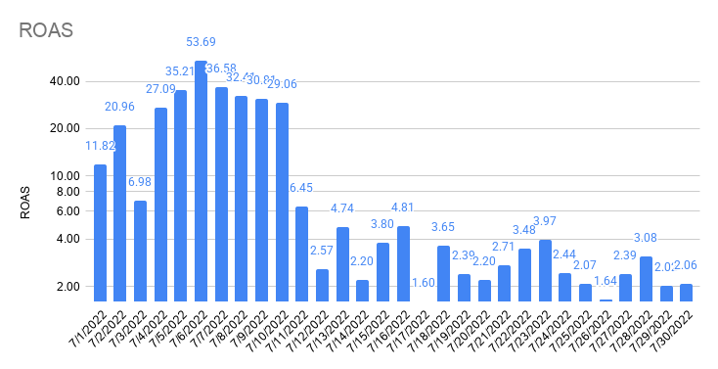
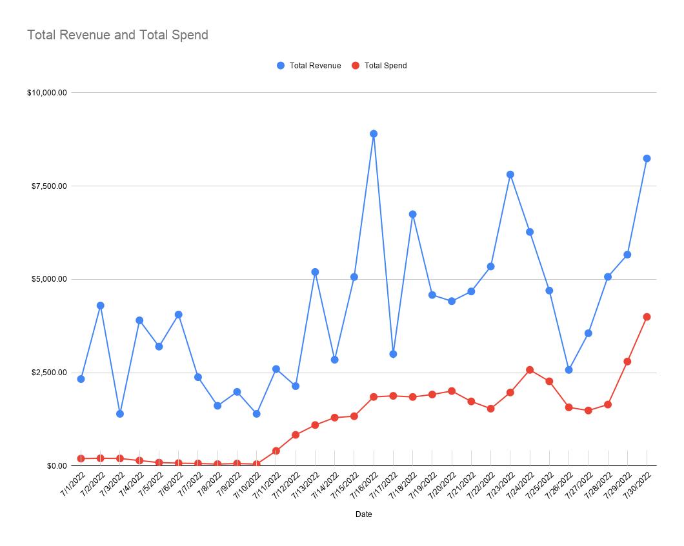

Total Revenue and Total Spend

Attribution
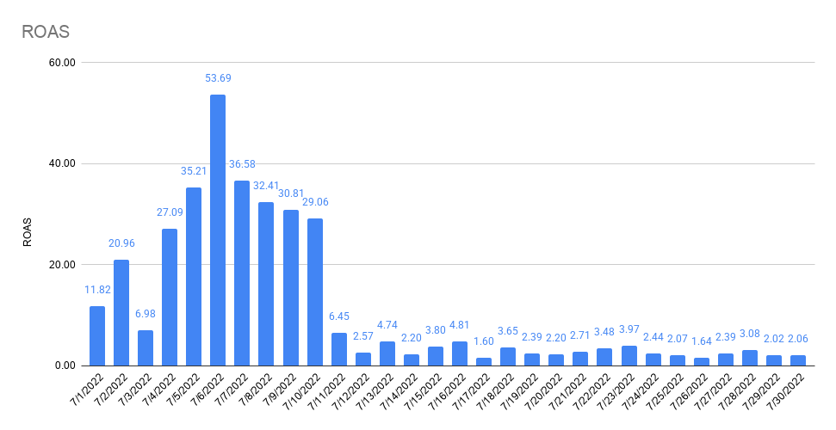
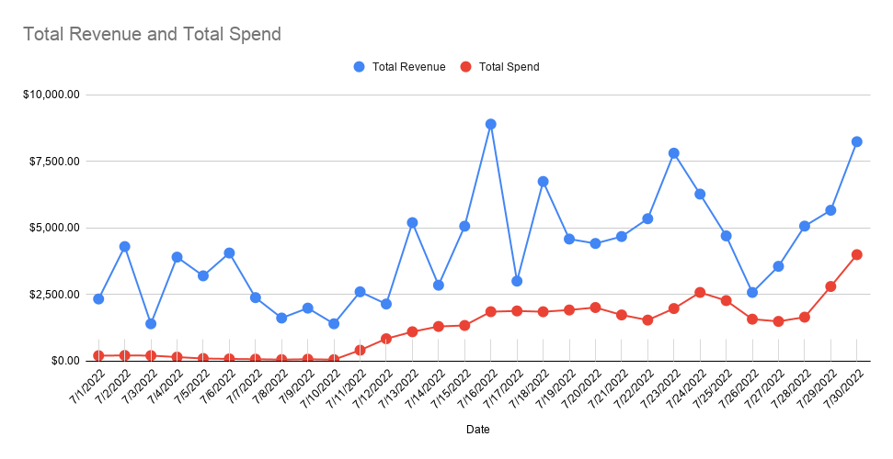
 | 7/1/2022 | 7/2/2022 | 7/3/2022 | 7/4/2022 | 7/5/2022 | 7/6/2022 | 7/7/2022 | 7/8/2022 | 7/9/2022 | 7/10/2022 | 7/11/2022 | 7/12/2022 | 7/13/2022 | 7/14/2022 | 7/15/2022 | 7/16/2022 | 7/17/2022 | 7/18/2022 | 7/19/2022 | 7/20/2022 | 7/21/2022 | 7/22/2022 | 7/23/2022 | 7/24/2022 | 7/25/2022 | 7/26/2022 | 7/27/2022 | 7/28/2022 | 7/29/2022 | 7/30/2022 | 7/31/2022
 | FRI | SAT | SUN | MON | TUE | WED | THU | FRI | SAT | SUN | MON | TUE | WED | THU | FRI | SAT | SUN | MON | TUE | WED | THU | FRI | SAT | SUN | MON | TUE | WED | THU | FRI | SAT | SUN
FB Orders |  |  |  |  |  |  |  |  |  |  | 1 | 1 | 4 | 1 | 4 | 7 | 1 | 9 | 4 | 5 | 5
All Orders | 8 | 15 | 5 | 12 | 11 | 15 | 8 | 5 | 7 | 5 | 8 | 7 | 15 | 9 | 17 | 28 | 10 | 24 | 18 | 16 | 15 | 17 | 25 | 22 | 16 | 8 | 11 | 16 | 19 | 26 | 29
% Attributed to FB (Ads Manager) | 0% | 0% | 0% | 0% | 0% | 0% | 0% | 0% | 0% | 0% | 13% | 14% | 27% | 11% | 24% | 25% | 10% | 38% | 22% | 31% | 33% | 0% | 0% | 0% | 0% | 0% | 0% | 0% | 0% | 0% | 0%

Attribution

Notes

FB Orders (Shopify) | 0 | 0 | 0 | 0 | 0 | 0 | 0 | 0 | 0 | 0 | 1 | 1 | 4 | 2 | 4 | 7 | 1 | 9 | 4 | 5 | 5

FB Offline Conversions (Shopify) | 0 | 0 | 0 | 0 | 0 | 0 | 0 | 0 | 0 | 0 | 0 | 0 | 0 | 0 | 0 | 0 | 0 | 0 | 0 | 0 | 0 |  |  |  |  |  |  |  |  | 0 | 0
% difference | #DIV/0! | #DIV/0! | #DIV/0! | #DIV/0! | #DIV/0! | #DIV/0! | #DIV/0! | #DIV/0! | #DIV/0! | #DIV/0! | 0.00% | 0.00% | 0.00% | 0.00% | 0.00% | 0.00% | 0.00% | 0.00% | 0.00% | 0.00% | 0.00% | #DIV/0! | #DIV/0! | #DIV/0! | #DIV/0! | #DIV/0! | #DIV/0! | #DIV/0! | #DIV/0! | #DIV/0! | #DIV/0!

GA (UTM: fb-paid) Orders (Shopify) | 0 | 0 | 0 | 0 | 0 | 0 | 0 | 0 | 0 | 0 | 1 | 2 | 3 | 5 | 4 | 6 | 4 | 7 | 3 | 7 | 8 |  |  |  |  |  |  |  |  | 10 | 15
% difference | #DIV/0! | #DIV/0! | #DIV/0! | #DIV/0! | #DIV/0! | #DIV/0! | #DIV/0! | #DIV/0! | #DIV/0! | #DIV/0! | 100.00% | 200.00% | 75.00% | 250.00% | 100.00% | 85.71% | 400.00% | 77.78% | 75.00% | 140.00% | 160.00% | #DIV/0! | #DIV/0! | #DIV/0! | #DIV/0! | #DIV/0! | #DIV/0! | #DIV/0! | #DIV/0! | #DIV/0! | #DIV/0!

Social Orders (Shopify) | 0 | 0 | 0 | 0 | 0 | 0 | 0 | 0 | 0 | 0 | 1 | 2 | 5 | 6 | 2 | 5 | 4 | 8 | 2 | 8 | 7 |  |  |  |  |  |  |  |  | 11 | 13
% difference | #DIV/0! | #DIV/0! | #DIV/0! | #DIV/0! | #DIV/0! | #DIV/0! | #DIV/0! | #DIV/0! | #DIV/0! | #DIV/0! | 100.00% | 200.00% | 125.00% | 300.00% | 50.00% | 71.43% | 400.00% | 88.89% | 50.00% | 160.00% | 0.00% | #DIV/0! | #DIV/0! | #DIV/0! | #DIV/0! | #DIV/0! | #DIV/0! | #DIV/0! | #DIV/0! | #DIV/0! | #DIV/0!

Shopify (All) | 8 | 15 | 5 | 12 | 11 | 15 | 8 | 5 | 7 | 5 | 8 | 7 | 15 | 9 | 17 | 28 | 10 | 24 | 18 | 16 | 15 | 17 | 25 | 22 | 16 | 8 | 11 | 16 | 19 | 26 | 29

GA (Shopify) | 8 | 14 | 5 | 11 | 9 | 13 | 7 | 4 | 6 | 4 | 7 | 7 | 16 | 8 | 16 | 26 | 9 | 21 | 17 | 16 | 14 |  |  |  |  |  |  |  |  | 23 | 27
% difference | 100.00% | 93.33% | 100.00% | 91.67% | 81.82% | 86.67% | 87.50% | 80.00% | 85.71% | 80.00% | 87.50% | 100.00% | 106.67% | 88.89% | 94.12% | 92.86% | 90.00% | 87.50% | 94.44% | 100.00% | 93.33% | 0.00% | 0.00% | 0.00% | 0.00% | 0.00% | 0.00% | 0.00% | 0.00% | 88.46% | 93.10%

PP Survey (All) Order Views | 8 | 15 | 6 | 12 | 9 | 14 | 8 | 5 | 7 | 5 | 9 | 7 | 15 | 9 | 18 | 27 | 11 | 24 | 18 | 15 | 14 |  |  |  |  |  |  |  |  | 30 | 31
% difference | 100.00% | 100.00% | 120.00% | 100.00% | 81.82% | 93.33% | 100.00% | 100.00% | 100.00% | 100.00% | 112.50% | 100.00% | 100.00% | 100.00% | 105.88% | 96.43% | 110.00% | 100.00% | 100.00% | 93.75% | 93.33% | 0.00% | 0.00% | 0.00% | 0.00% | 0.00% | 0.00% | 0.00% | 0.00% | 115.38% | 106.90%

Facebook Attribution
Conversion value by channel | 0.00 | 0.00 | 0.00 | 0.00 | 0.00 | 0.00 | 0.00 | 0.00 | 0.00 | 0.00 | 285.72 | 285.72 | 1,127.04 | 269.75 | 1,152.49 | 1,797.03 | 335.67 | 2,475.95 | 1,082.39 | 1,236.70 | 1,236.70 |  |  |  |  |  |  |  |  | 2,555.93 | 2,501.72
FB CV | $0.00 | $0.00 | $0.00 | $0.00 | $0.00 | $0.00 | $0.00 | $0.00 | $0.00 | $0.00 | $329.85 | $329.85 | $1,301.12 | $311.42 | $1,330.50 | $2,074.60 | $387.52 | $2,858.39 | $1,249.58 | $1,427.72 | $1,427.72 | $0.00 | $0.00 | $0.00 | $0.00 | $0.00 | $0.00 | $0.00 | $0.00 | $2,950.72 | $2,888.14
GA UTM CV | $0.00 | $0.00 | $0.00 | $0.00 | $0.00 | $0.00 | $0.00 | $0.00 | $0.00 | $0.00 | $316.17 | $631.94 | $964.13 | $1,529.22 | $1,414.77 | $1,988.13 | $1,314.27 | $2,073.30 | $863.91 | $2,134.61 | $2,493.35 |  |  |  |  |  |  |  |  | $3,318.14 | $4,776.91
TW CV | $0.00 | $0.00 | $0.00 | $0.00 | $0.00 | $0.00 | $0.00 | $0.00 | $0.00 | $0.00 | $316.17 | $849.94 | $1,198.46 | $326.59 | $1,289.92 | $2,872.20 | $1,314.27 | $2,379.64 | $1,666.88 | $2,370.04 | $2,493.35 |  |  |  |  |  |  |  |  | $4,400.70 | $5,475.84
Overall CV | $2,328.00 | $4,297.80 | $1,395.87 | $3,901.23 | $3,198.08 | $4,056.09 | $2,378.97 | $1,611.78 | $1,984.78 | $1,396.33 | $2,597.24 | $2,138.87 | $5,196.96 | $2,846.10 | $5,063.57 | $8,899.44 | $2,999.19 | $6,743.70 | $4,581.14 | $4,414.40 | $4,675.40 | $5,344.31 | $7,808.54 | $6,270.12 | $4,699.19 | $2,573.27 | $3,555.27 | $5,066.71 | $5,662.30 | $8,238.83 | $8,806.18

Orders by channel
FB OR | 0 | 0 | 0 | 0 | 0 | 0 | 0 | 0 | 0 | 0 | 1 | 1 | 4 | 1 | 4 | 7 | 1 | 9 | 4 | 5 | 5
GA UTM OR | 0 | 0 | 0 | 0 | 0 | 0 | 0 | 0 | 0 | 0 | 1 | 2 | 3 | 5 | 4 | 6 | 4 | 7 | 3 | 7 | 8 |  |  |  |  |  |  |  |  | 10 | 15
TW OR | 1 | 0 | 0 | 0 | 0 | 0 | 0 | 0 | 0 | 0 | 1 | 2 | 4 | 1 | 4 | 9 | 4 | 8 | 7 | 8 | 8 | 9 | 9 | 11 | 10 | 5 | 2 | 6 | 3 | 11 | 140
Overall OR | 8 | 15 | 5 | 12 | 11 | 15 | 8 | 5 | 7 | 5 | 8 | 7 | 15 | 9 | 17 | 28 | 10 | 24 | 18 | 16 | 15 | 17 | 25 | 22 | 16 | 8 | 11 | 16 | 19 | 26 | 29

Attribution % by channel (CV) | 7/1/2022 | 7/2/2022 | 7/3/2022 | 7/4/2022 | 7/5/2022 | 7/6/2022 | 7/7/2022 | 7/8/2022 | 7/9/2022 | 7/10/2022 | 7/11/2022 | 7/12/2022 | 7/13/2022 | 7/14/2022 | 7/15/2022 | 7/16/2022 | 7/17/2022 | 7/18/2022 | 7/19/2022 | 7/20/2022 | 7/21/2022 | 7/22/2022 | 7/23/2022 | 7/24/2022 | 7/25/2022 | 7/26/2022 | 7/27/2022 | 7/28/2022 | 7/29/2022 | 7/30/2022 | 7/31/2022
Difference FB / Overall | 0.00% | 0.00% | 0.00% | 0.00% | 0.00% | 0.00% | 0.00% | 0.00% | 0.00% | 0.00% | 12.70% | 15.42% | 25.04% | 10.94% | 26.28% | 23.31% | 12.92% | 42.39% | 27.28% | 32.34% | 30.54% | 0.00% | 0.00% | 0.00% | 0.00% | 0.00% | 0.00% | 0.00% | 0.00% | 35.81% | 32.80%
Difference GA UTM / Overall | 0.00% | 0.00% | 0.00% | 0.00% | 0.00% | 0.00% | 0.00% | 0.00% | 0.00% | 0.00% | 12.17% | 29.55% | 18.55% | 53.73% | 27.94% | 22.34% | 43.82% | 30.74% | 18.86% | 48.36% | 53.33% | 0.00% | 0.00% | 0.00% | 0.00% | 0.00% | 0.00% | 0.00% | 0.00% | 40.27% | 54.24%
Difference TW / Overall | 0.00% | 0.00% | 0.00% | 0.00% | 0.00% | 0.00% | 0.00% | 0.00% | 0.00% | 0.00% | 12.17% | 39.74% | 23.06% | 11.48% | 25.47% | 32.27% | 43.82% | 35.29% | 36.39% | 53.69% | 53.33% | 0.00% | 0.00% | 0.00% | 0.00% | 0.00% | 0.00% | 0.00% | 0.00% | 53.41% | 62.18%

Attribution % by channel (OR) | 7/1/2022 | 7/2/2022 | 7/3/2022 | 7/4/2022 | 7/5/2022 | 7/6/2022 | 7/7/2022 | 7/8/2022 | 7/9/2022 | 7/10/2022 | 7/11/2022 | 7/12/2022 | 7/13/2022 | 7/14/2022 | 7/15/2022 | 7/16/2022 | 7/17/2022 | 7/18/2022 | 7/19/2022 | 7/20/2022 | 7/21/2022 | 7/22/2022 | 7/23/2022 | 7/24/2022 | 7/25/2022 | 7/26/2022 | 7/27/2022 | 7/28/2022 | 7/29/2022 | 7/30/2022 | 7/31/2022
Difference FB / Overall | 0.00% | 0.00% | 0.00% | 0.00% | 0.00% | 0.00% | 0.00% | 0.00% | 0.00% | 0.00% | 12.50% | 14.29% | 26.67% | 11.11% | 23.53% | 25.00% | 10.00% | 37.50% | 22.22% | 31.25% | 33.33% | 0.00% | 0.00% | 0.00% | 0.00% | 0.00% | 0.00% | 0.00% | 0.00% | 0.00% | 0.00%
Difference GA UTM / Overall | 0.00% | 0.00% | 0.00% | 0.00% | 0.00% | 0.00% | 0.00% | 0.00% | 0.00% | 0.00% | 12.50% | 28.57% | 20.00% | 55.56% | 23.53% | 21.43% | 40.00% | 29.17% | 16.67% | 43.75% | 53.33% | 0.00% | 0.00% | 0.00% | 0.00% | 0.00% | 0.00% | 0.00% | 0.00% | 38.46% | 51.72%
Difference TW / Overall | 12.50% | 0.00% | 0.00% | 0.00% | 0.00% | 0.00% | 0.00% | 0.00% | 0.00% | 0.00% | 12.50% | 28.57% | 26.67% | 11.11% | 23.53% | 32.14% | 40.00% | 33.33% | 38.89% | 50.00% | 53.33% | 52.94% | 36.00% | 50.00% | 62.50% | 62.50% | 18.18% | 37.50% | 15.79% | 42.31% | 482.76%

ROAS by channel | 7/1/2022 | 7/2/2022 | 7/3/2022 | 7/4/2022 | 7/5/2022 | 7/6/2022 | 7/7/2022 | 7/8/2022 | 7/9/2022 | 7/10/2022 | 7/11/2022 | 7/12/2022 | 7/13/2022 | 7/14/2022 | 7/15/2022 | 7/16/2022 | 7/17/2022 | 7/18/2022 | 7/19/2022 | 7/20/2022 | 7/21/2022 | 7/22/2022 | 7/23/2022 | 7/24/2022 | 7/25/2022 | 7/26/2022 | 7/27/2022 | 7/28/2022 | 7/29/2022 | 7/30/2022 | 7/31/2022
FB ROAS | #DIV/0! | #DIV/0! | #DIV/0! | #DIV/0! | #DIV/0! | #DIV/0! | #DIV/0! | #DIV/0! | #DIV/0! | #DIV/0! | 0.98 | 0.49 | 1.57 | 0.27 | 1.21 | 1.50 | 0.23 | 1.75 | 0.73 | 0.77 | 0.91 | 0.00 | 0.00 | 0.00 | 0.00 | 0.00 | 0.00 | 0.00 | 0.00 | 0.76 | 0.54
GA UTM ROAS | #DIV/0! | #DIV/0! | #DIV/0! | #DIV/0! | #DIV/0! | #DIV/0! | #DIV/0! | #DIV/0! | #DIV/0! | #DIV/0! | 0.94 | 0.94 | 1.16 | 1.34 | 1.29 | 1.43 | 0.78 | 1.27 | 0.50 | 1.15 | 1.60 | 0.00 | 0.00 | 0.00 | 0.00 | 0.00 | 0.00 | 0.00 | 0.00 | 0.86 | 0.90
TW ROAS | #DIV/0! | #DIV/0! | #DIV/0! | #DIV/0! | #DIV/0! | #DIV/0! | #DIV/0! | #DIV/0! | #DIV/0! | #DIV/0! | 0.94 | 1.26 | 1.45 | 0.29 | 1.18 | 2.07 | 0.78 | 1.46 | 0.97 | 1.27 | 1.60 | 0.00 | 0.00 | 0.00 | 0.00 | 0.00 | 0.00 | 0.00 | 0.00 | 1.14 | 1.03
Overall ROAS | 11.82 | 20.96 | 6.98 | 27.09 | 35.21 | 53.69 | 36.58 | 32.41 | 30.81 | 29.06 | 6.45 | 2.57 | 4.74 | 2.20 | 3.80 | 4.81 | 1.60 | 3.65 | 2.39 | 2.20 | 2.71 | 3.48 | 3.97 | 2.44 | 2.07 | 1.64 | 2.39 | 3.08 | 2.02 | 2.06 | 1.59

CAC by channel | 7/1/2022 | 7/2/2022 | 7/3/2022 | 7/4/2022 | 7/5/2022 | 7/6/2022 | 7/7/2022 | 7/8/2022 | 7/9/2022 | 7/10/2022 | 7/11/2022 | 7/12/2022 | 7/13/2022 | 7/14/2022 | 7/15/2022 | 7/16/2022 | 7/17/2022 | 7/18/2022 | 7/19/2022 | 7/20/2022 | 7/21/2022 | 7/22/2022 | 7/23/2022 | 7/24/2022 | 7/25/2022 | 7/26/2022 | 7/27/2022 | 7/28/2022 | 7/29/2022 | 7/30/2022 | 7/31/2022
FB CAC | #DIV/0! | #DIV/0! | #DIV/0! | #DIV/0! | #DIV/0! | #DIV/0! | #DIV/0! | #DIV/0! | #DIV/0! | #DIV/0! | $336.95 | $672.40 | $207.34 | $1,143.37 | $273.90 | $197.93 | $1,681.84 | $181.11 | $430.39 | $372.48 | $312.12 | #DIV/0! | #DIV/0! | #DIV/0! | #DIV/0! | #DIV/0! | #DIV/0! | #DIV/0! | #DIV/0! | #DIV/0! | #DIV/0!
GA UTM CAC | #DIV/0! | #DIV/0! | #DIV/0! | #DIV/0! | #DIV/0! | #DIV/0! | #DIV/0! | #DIV/0! | #DIV/0! | #DIV/0! | $336.95 | $336.20 | $276.46 | $228.67 | $273.90 | $230.92 | $420.46 | $232.86 | $573.85 | $266.06 | $195.08 | #DIV/0! | #DIV/0! | #DIV/0! | #DIV/0! | #DIV/0! | #DIV/0! | #DIV/0! | #DIV/0! | $385.75 | $354.76
TW CAC | $0.00 | #DIV/0! | #DIV/0! | #DIV/0! | #DIV/0! | #DIV/0! | #DIV/0! | #DIV/0! | #DIV/0! | #DIV/0! | $336.95 | $336.20 | $207.34 | $1,143.37 | $273.90 | $153.95 | $420.46 | $203.75 | $245.94 | $232.80 | $195.08 | $152.01 | $198.29 | $216.96 | $211.83 | $274.75 | $649.70 | $225.24 | $809.55 | $350.68 | $38.01
Overall CAC | $24.63 | $13.67 | $40.00 | $12.00 | $8.26 | $5.04 | $8.13 | $9.95 | $9.20 | $9.61 | $50.37 | $119.00 | $73.07 | $143.88 | $78.39 | $66.07 | $187.81 | $77.00 | $106.35 | $125.46 | $115.23 | $90.29 | $78.75 | $117.00 | $141.72 | $196.19 | $135.05 | $102.79 | $147.27 | $153.59 | $190.98

ROAS by channel
CAC by channel

Attribution % by channel (CV)
Attribution % by channel (OR)

